Inventory Details
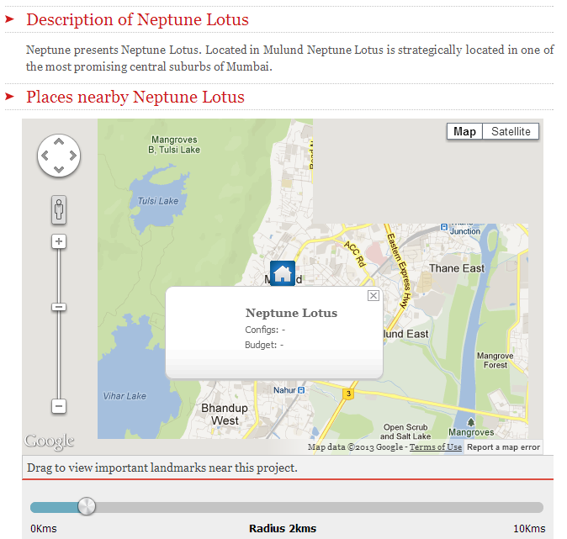
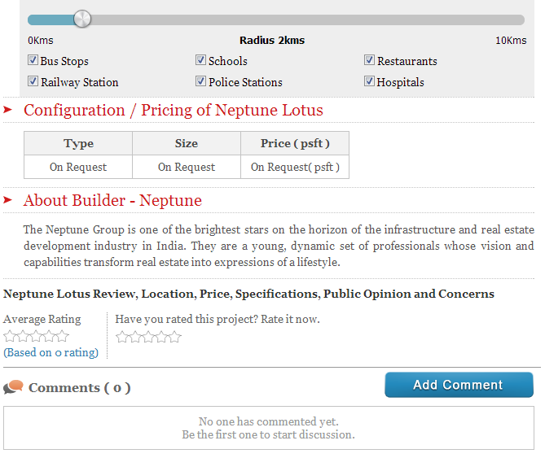
Irrespective of it being Agent/Buyer/Seller, inventory shall be shown like this

 |  | Anup Agarwal (FB Login)
 |  | 2/3 BHK Multi-apartment project in Bandra (E) |  | How to show this if Buyer?
 |  | Budget: ~2crs; GIP: ~ 2 crs |  | there could be scenarios? Seller?agent/buyer may not fill all the information
 |  | Ready to make an offer
 |  | End Use - Home; Apartment
 |  | Construction Linked
 |  | Agents invited - max 3; FCFS
 |  | Sellers invited - max 5; FCFS

 | Connect As Agent |  | Connect As Seller

Connect Sheet
Form on Connecting
Buyer Agent Seller
 | Connect As

 |  | Login ID` |  |  | Password

 |  |  |  | Or

 |  |  |  | Register As a New User |  |  | (just ask for basic details)

 |  |  | 2 agents have connected
 | Page 2 on Connecting After Logging In or Signing Up
 |  |  |  |  |  | target are brokers who are users of website like Linkedin. Some sophistication already there?

 | Other questions about Individual/Entity (pick up from redfin registration)

 | How can you help?

 | Add Link to a particular page

 | Upload Files

 |  |  | Submit

 | **Normal Mails start from here between the two nodes. |  |  |  |  |  |  | Mails will be internal to the system or can be sent out?

